1. Title Page
[Instacart Data Analysis

Project Name: Instacart Data Analysis
Date: 02/17/2025
Analyst Name: Anish Matta

Contents:
Population Flow
Consistency checks
Wrangling steps
Column derivations
Visualizations
Recommendations

Citation: “The Instacart Online Grocery Shopping Dataset 2017”, Accessed from www.instacart.com/datasets/grocery-shopping-2017 via Kaggle

2. Population Flow
Title page

Population flow

Exclusion flag
Condition: max_order < 5
Obervations to be removed: 1,444,295
Final total count of order_products_all: 30,964,594

3,421,082

3,421,082

Orders_products_combined
Orders_products_merged
Orders_products_all

Total: 32,404,858
Total:
32,434,488
Total:
32,404,858

1.) The grey boxes in the first row of the population flow represent the original data sets as they were when you downloaded them. In the Total fields you need to add the count of the rows when you imported the data set into Jupyter.
2.) The second row of boxes (coloured) represents the data sets after you manipulated them, e.g., removed missing values and duplicates. In the Total fields you need to add the count of the rows after conducting these operations. This offers a visual oveview of how the data flows throughout the data consistency checks.
3.) The third row, where also the arrows are coloured, represents the merges you performed between the datasets. In the Total fields you need to add the count of the rows in the merged datasets, so that you end up with the final dataset (in the red box). Keep in mind the final dataset should be without exclusions (based on the exclusion flag).

3. Consistency checks
 |  |  |  | Title page
Consistency checks

Dataset | Missing values | Missing values treatment | Duplicates
orders | 206,209 ('days_since_prior_order' column) | no treatment needed | no duplicates
products | 16 (product_name) | deleted rows | 5 duplicates deleted
orders_products_prior | none | no treatment needed | no duplicates
customers | none | no treatment needed | no duplicates

4. Wrangling steps
 |  |  |  | Title page
Wrangling steps

Columns dropped | Columns renamed | Columns' type changed | Comment/Reason
 |  | order_id | changed type from integer to string
 |  | user_id | changed type from integer to string
 |  | first_name | changed type from mixed to string
 | order_hour_of_day to order_hour |  | maintain name format/clairty
 | First Name to first_name |  | maintain name format/clairty
 | Surname to last_name |  | maintain name format/clairty
 | Gender to gender |  | maintain name format/clairty
 | STATE to State |  | maintain name format/clairty
 | Age to age |  | maintain name format/clairty
Unamed |  |  | not needed
merge_ |  |  | not needed

5. Column derivations
 |  |  |  | Title page

Column derivations and aggregations

Dataset | New column | Column/s it was derived from | Conditions
ords_prods_merge | price_label | prices | if row['prices'] <= 5: return 'Low-range product' elif (row['prices'] > 5) and (row['prices'] <= 15): return 'Mid-range product' elif row['prices'] > 15: return 'High-range product' else: return 'Not enough data'
ords_prods_merge | busiest_day | orders_day_of_week | for value in df_ords_prods_merge["orders_day_of_week"]: if value == 0: result.append("Busiest day") elif value == 4: result.append("Least busy") else: result.append("Regularly busy")
ords_prods_merge | busiest_day | orders_day_of_week | for value in df_ords_prods_merge["orders_day_of_week"]: if value == 0 or value == 1: result_2.append("Busiest days") elif value == 4 or value == 3: result_2.append("Slowest days") else: result_2.append("Average busy days")
ords_prods_merge | busiest_period_of_day | orders_hour | for value in df_ords_prods_merge["orders_hour"]: if value in [10, 11, 14, 15, 13, 12, 16, 9]: result_3.append("Most orders") elif value in [23, 6, 0, 1, 5, 2, 4, 3]: result_3.append("Fewest orders") else: result_3.append("Average orders")
ords_prods_merge | loyalty_flag | max_order | df_ords_prods_merge.loc[df_ords_prods_merge['max_order'] > 40, 'loyalty_flag'] = 'Loyal customer' df_ords_prods_merge.loc[(df_ords_prods_merge['max_order'] <= 40) & (df_ords_prods_merge['max_order'] > 10), 'loyalty_flag'] = 'Regular customer' df_ords_prods_merge.loc[df_ords_prods_merge['max_order'] <= 10, 'loyalty_flag'] = 'New customer'
ords_prods_merge | spending_flag | avg_product_price | df_ords_prods_merge.loc[df_ords_prods_merge['avg_product_price'] >= 10, 'spending_flag'] = 'High spender' df_ords_prods_merge.loc[df_ords_prods_merge['avg_product_price'] < 10, 'spending_flag'] = 'Low spender'
ords_prods_merge | order_frequency_flag | days_since_prior_order | df_ords_prods_merge.loc[df_ords_prods_merge['median_days_between_orders'] > 20, 'order_frequency_flag'] = 'Non-frequent customer' df_ords_prods_merge.loc[(df_ords_prods_merge['median_days_between_orders'] <= 20) & (df_ords_prods_merge['median_days_between_orders'] > 10), 'order_frequency_flag'] = 'Regular customer' df_ords_prods_merge.loc[df_ords_prods_merge['median_days_between_orders'] <= 10, 'order_frequency_flag'] = 'Frequent customer'
ords_prods_customers_merge | activity_flag | max_order | df_ords_prods_customers_merge.loc[df_ords_prods_customers_merge['max_order'] < 5, 'activity_flag'] = 'low-activity customer' df_ords_prods_customers_merge.loc[df_ords_prods_customers_merge['max_order'] >= 5, 'activity_flag'] = 'high-activity customer'
df_excluded | income_group | income | df_excluded.loc[df_excluded['income'] <= 55000, 'income_group'] = 'low-income' df_excluded.loc[(df_excluded['income'] > 55000) & (df_excluded['income'] <= 150000), 'income_group'] = 'middle-income' df_excluded.loc[df_excluded['income'] > 150000, 'income_group'] = 'high-income'
df_excluded | age_group | age | df_excluded.loc[df_excluded['age'] <= 25, 'age_group'] = 'young adult' df_excluded.loc[(df_excluded['age'] > 25) & (df_excluded['age'] <= 44), 'age_group'] = 'adult' df_excluded.loc[(df_excluded['age'] > 44) & (df_excluded['age'] <= 64), 'age_group'] = 'middle-aged' df_excluded.loc[df_excluded['age'] > 64, 'age_group'] = 'senior'
df_excluded | dependants_flag | number_of_dependants | df_excluded.loc[df_excluded['number_of_dependants'] == 0, 'dependants_flag'] = 'no dependants' df_excluded.loc[df_excluded['number_of_dependants'] >= 1, 'dependants_flag'] = 'has dependants'

6. Visualizations
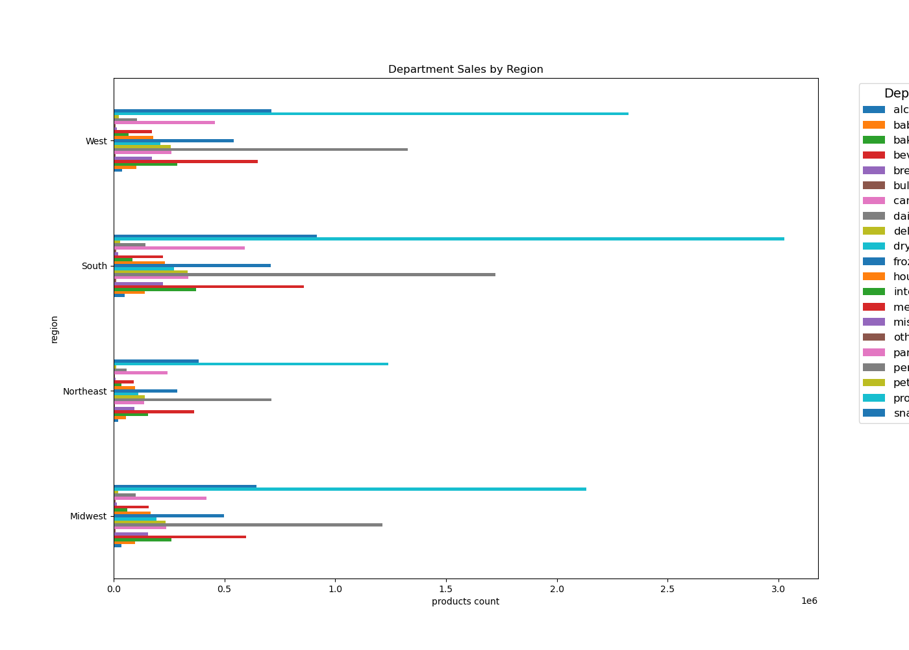
 | Title page

Visualizations

Question
Question: What are the busiest days of the week and hours of the day?
Answer: The busiest days of the week are Saturday and Sunday. The busiest hours are from 10-11 A.M.

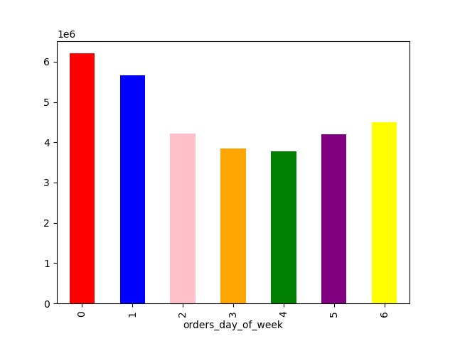
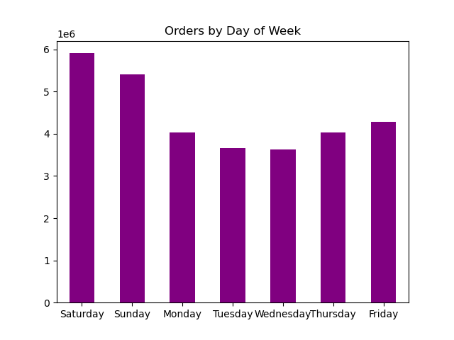


Question: Are there particular times of the day/week when people spend the most money?
Answer: The weekends and during the day is when most orders are placed and where customers spend the most money. (small variation for the line chart so keep that in mind)

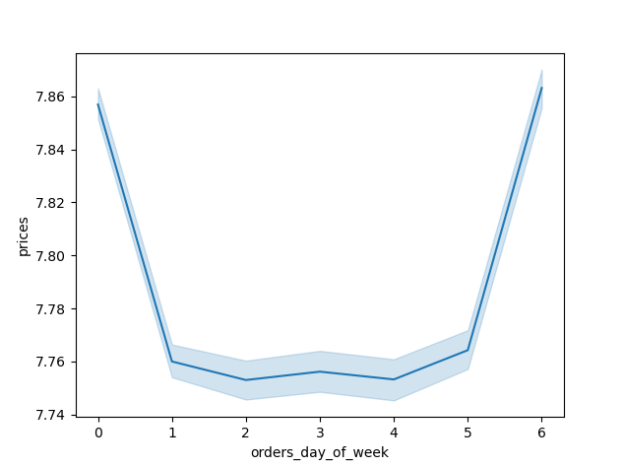

Question: Are there certain products that are more popular than others?
Answer: Produce, dairy/eggs, and snacks are the top 3.

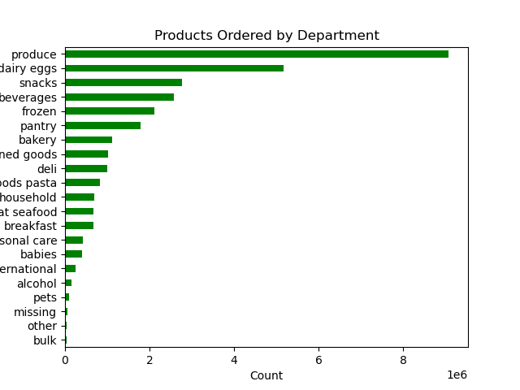

Question: What is the distribution among users as to how often they return to Instacart?
Answer: Middle-aged people with middle-income are the most often to return to Instacart

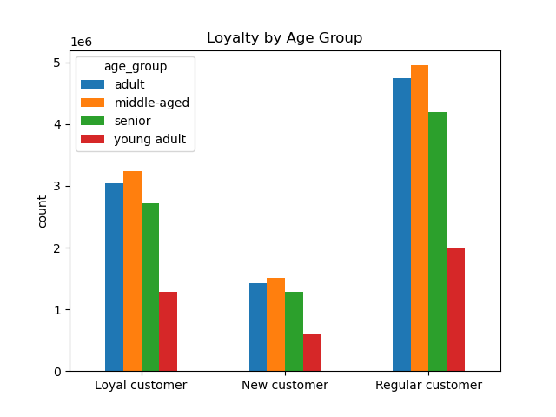
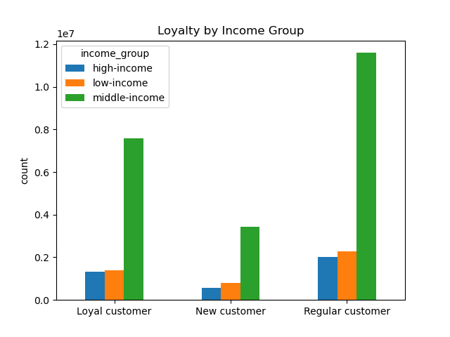

Question: Are there differences in ordering habits based on loyalty status?
Answer: For the most part despite their loyalty, a majority of them are considered low spenders.

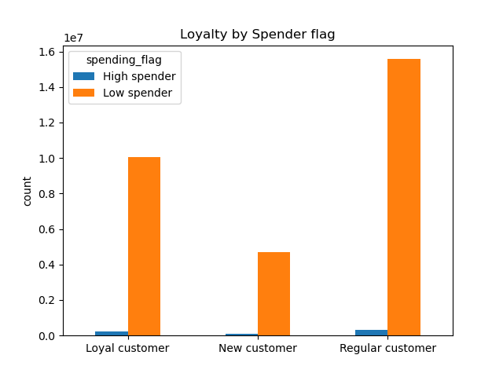

Question: Is there a connection between age and family status and ordering habits?
Answer: Most customers are either an adult or middle aged, and they are married with dependants.

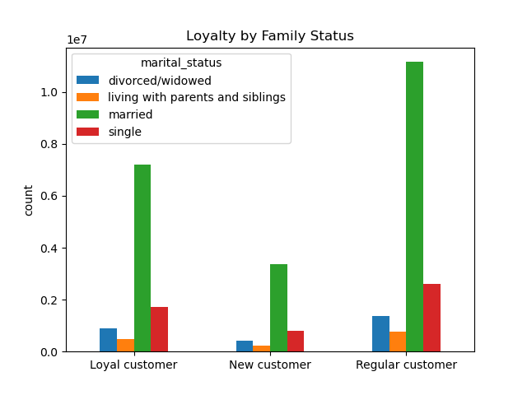
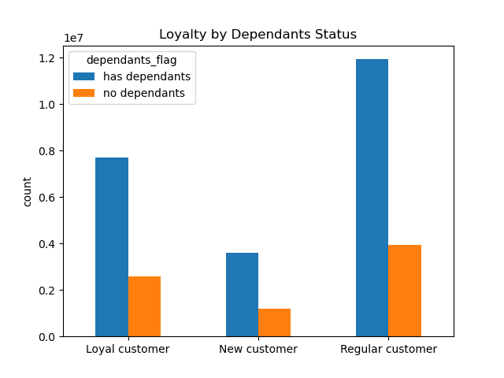
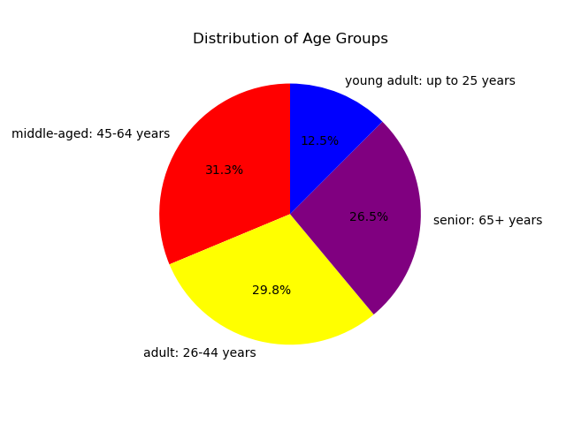

Question: Are there differences in ordering habits based on region?
Answer: Compared to the other regions, the South and West have the highest sales in dairy/eggs, snacks, and produce.

7. Recommendations
 |  | Title page

Recommendations

Question | Recommendation
Question: What are the busiest days of the week and hours of the day? | Since we know that the weekends are the busiest, we should incorporate deals or coupons in the middle of the week to boost activity during the least busy days
Are there particular times of the day/week when people spend the most money? | Sales are highest during the mornings and weekends, however we don't need reccomendations from this observation since the variance is very small. I would just do the above reccomendation and leave this as it is.
Are there certain products that are more popular than others? | Produce, dairy/eggs, and snacks are already very popular. Some price adjustion or deals for the less popular items can boost sales.
What is the distribution among users as to how often they return to Instacart? | Middle age people with middle income are the most popular customer group. Promote items through advertisements that would gain the attention from the younger and older crowd to boost their rates.
Are there differences in ordering habits based on loyalty status? | Despite their loyalty status, most are low spenders. This isn't neccesarily a bad thing because they have high frequency. I wouldn't change anything
Is there a connection between age and family status and ordering habits? | Most customers are either an adult or middle aged, and they are married with dependants. Add family size items (ex: cereal) and add deals for bulk orders.
Are there differences in ordering habits based on region? | Compared to the other regions, the South and West have the highest sales in dairy/eggs, snacks, and produce. Try to increase promotion and marketing in other regions with exclusive deals to get better rates.

